Yield Curve
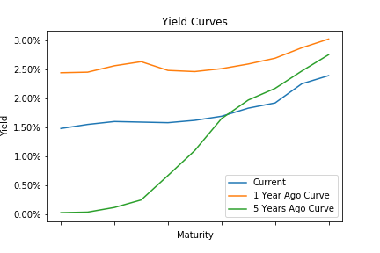
Treasury Yield Curve

 | Current | 1 Year Ago Curve | 1 Year Change | 5 Years Ago Curve | 5 Year Change
1 Mo | 1.48 | 2.44 | -0.96 | 0.03 | 1.45
3 Mo | 1.55 | 2.45 | -0.9 | 0.04 | 1.51
6 Mo | 1.6 | 2.56 | -0.96 | 0.12 | 1.48
1 Yr | 1.59 | 2.63 | -1.04 | 0.25 | 1.34
2 Yr | 1.58 | 2.48 | -0.9 | 0.67 | 0.91
3 Yr | 1.62 | 2.46 | -0.84 | 1.1 | 0.52
5 Yr | 1.69 | 2.51 | -0.82 | 1.65 | 0.04
7 Yr | 1.83 | 2.59 | -0.76 | 1.97 | -0.14
10 Yr | 1.92 | 2.69 | -0.77 | 2.17 | -0.25
20 Yr | 2.25 | 2.87 | -0.62 | 2.47 | -0.22
30 Yr | 2.39 | 3.02 | -0.63 | 2.75 | -0.36

Real Estate Nominal
 | Nominal Real Estate Returns

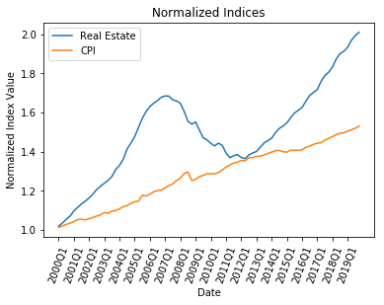
 | Quarter
Year |  | 1 | 2 | 3 | 4
 | 2000 | 1.9% | 1.6% | 1.8% | 1.5%
 | 2001 | 2.5% | 1.7% | 1.6% | 1.2%
 | 2002 | 1.4% | 1.7% | 2.0% | 1.4%
 | 2003 | 1.2% | 1.2% | 1.5% | 2.8%
 | 2004 | 1.6% | 2.4% | 3.8% | 2.1%
 | 2005 | 2.3% | 3.2% | 3.0% | 2.3%
 | 2006 | 1.6% | 1.0% | 0.8% | 1.0%
 | 2007 | 0.4% | -0.1% | -1.1% | -0.3%
 | 2008 | -0.7% | -2.5% | -3.2% | -0.9%
 | 2009 | 0.7% | -2.6% | -2.6% | -0.8%
 | 2010 | -1.2% | -0.9% | 1.0% | -0.7%
 | 2011 | -2.8% | -1.7% | 0.7% | 0.4%
 | 2012 | -1.1% | -0.4% | 1.3% | 0.8%
 | 2013 | 0.5% | 1.6% | 1.6% | 0.8%
 | 2014 | 0.9% | 1.9% | 1.4% | 0.8%
 | 2015 | 1.0% | 1.7% | 1.5% | 0.9%
 | 2016 | 0.9% | 1.9% | 1.8% | 0.9%
 | 2017 | 0.9% | 2.5% | 1.7% | 1.0%
 | 2018 | 1.5% | 2.2% | 1.5% | 0.6%
 | 2019 | 1.1% | 1.9% | 1.2% | 0.8%

Real Estate Adjusted
 | Adjusted Real Estate Returns

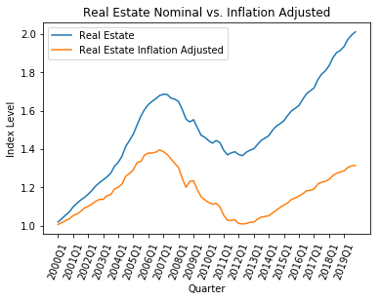
 | Quarter
Year |  | 1 | 2 | 3 | 4
 | 2000 | 0.6% | 0.9% | 1.0% | 1.0%
 | 2001 | 1.6% | 0.8% | 1.3% | 1.6%
 | 2002 | 0.8% | 1.1% | 1.3% | 0.9%
 | 2003 | 0.1% | 1.7% | 0.4% | 2.6%
 | 2004 | 0.7% | 1.5% | 3.3% | 1.1%
 | 2005 | 1.6% | 2.9% | 0.4% | 2.6%
 | 2006 | 0.8% | 0.0% | 0.3% | 0.9%
 | 2007 | -0.7% | -1.0% | -1.7% | -1.7%
 | 2008 | -1.7% | -4.3% | -3.8% | 2.6%
 | 2009 | 0.2% | -3.7% | -3.1% | -1.4%
 | 2010 | -1.2% | -0.8% | 0.5% | -1.7%
 | 2011 | -3.9% | -2.5% | -0.1% | 0.2%
 | 2012 | -1.7% | -0.3% | 0.2% | 0.7%
 | 2013 | 0.1% | 1.5% | 1.1% | 0.3%
 | 2014 | 0.3% | 1.4% | 1.3% | 1.4%
 | 2015 | 1.1% | 1.0% | 1.6% | 0.8%
 | 2016 | 0.8% | 1.0% | 1.4% | 0.2%
 | 2017 | 0.5% | 2.3% | 0.8% | 0.4%
 | 2018 | 0.8% | 1.5% | 1.1% | 0.4%
 | 2019 | 0.5% | 1.3% | 0.7% | 0.1%

